Cover1Login
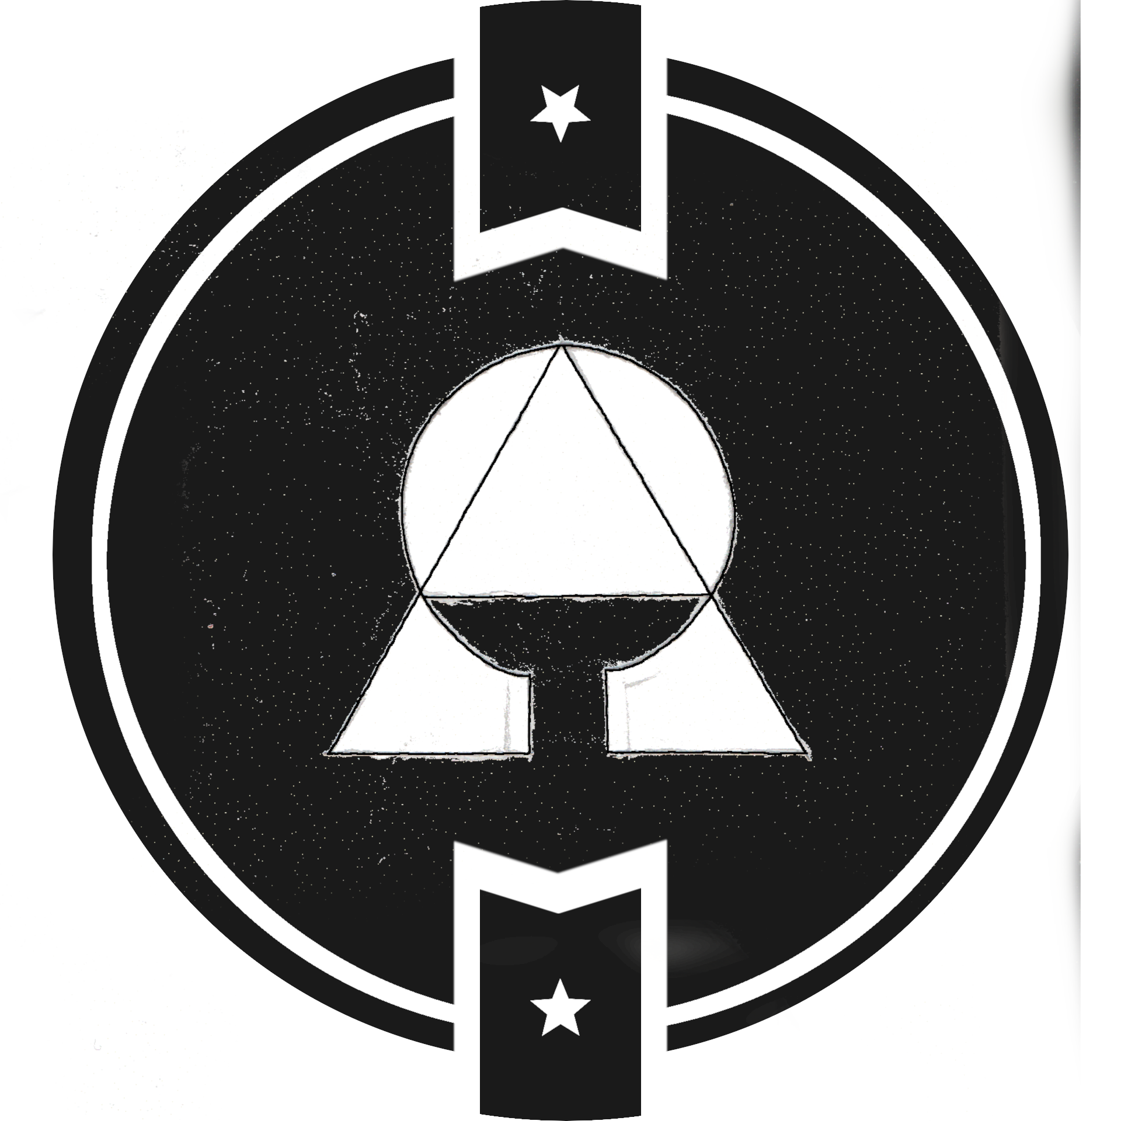
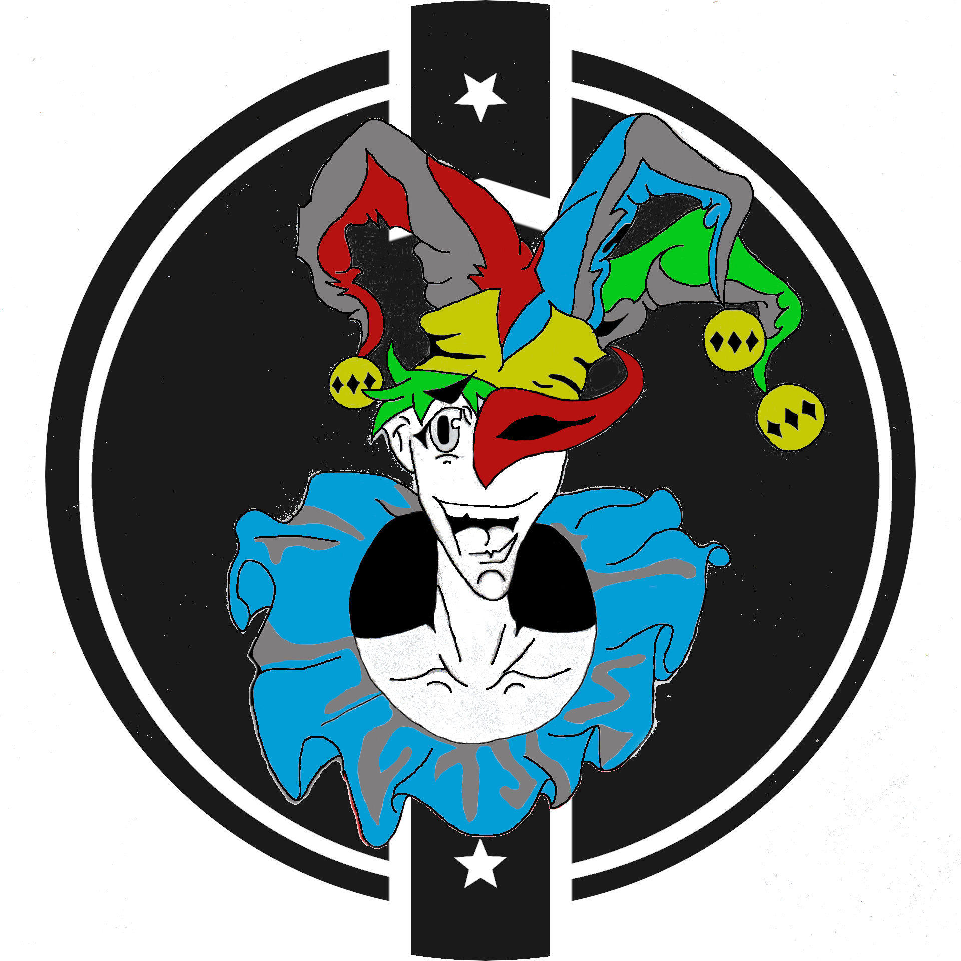

ID/Marker/Symbol/Seal |  |  |  |  | Notes

 |  |  |  | {_______________________}

IMAGE COVER
 | 1 | 2 | 3
 | User / Weilder
 | [ ________________ ]

 | Coin / Ferryman
 | [ ________________ ]

